Sheet2
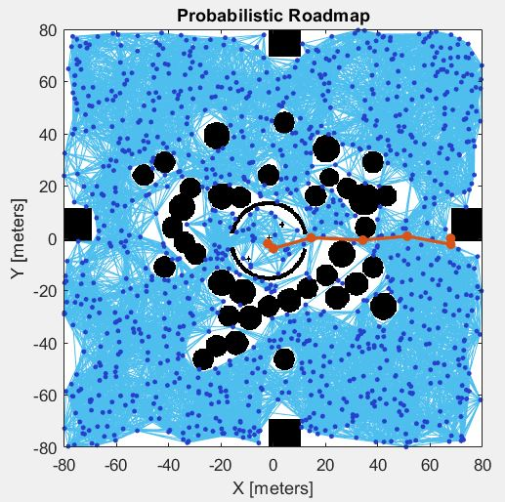
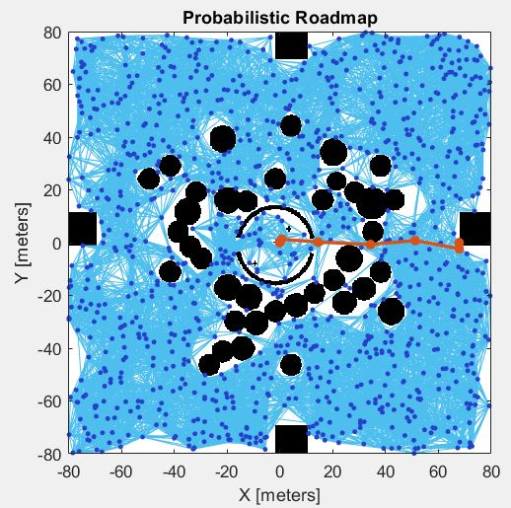
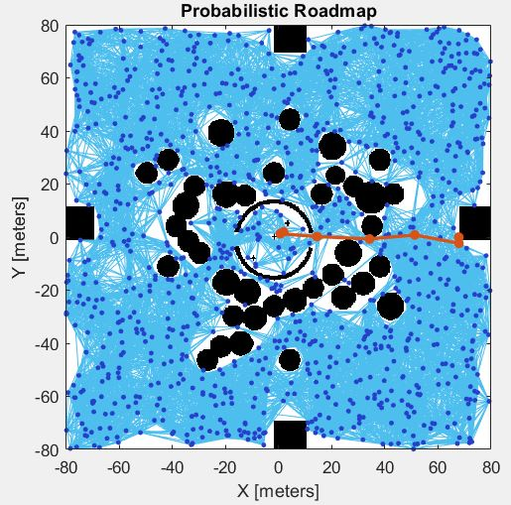

PATHE1 |  |  |  |  |  | PATHE2 |  |  |  |  | PATHE3
-2 | -2 |  |  |  |  | 0 | 0 |  |  |  | 2 | 2
0.12322406632 | -3.9007945276 |  |  |  |  | 0.77248748308 | 1.2788168376 |  |  |  | 0.77248748308 | 1.2788168376 |  |  | 2 | 2 | IN INTERSOURCE 1ST ITERATION
14.574450489 | 0.21844953014 |  |  |  |  | 14.574450489 | 0.21844953014 |  |  |  | 14.574450489 | 0.21844953014 |  |  | 2.2348554244 | 0.94298483431 | TO PREVENT COLLISION BETWEEN DRONE A(-2,-2) AND C(2,2)
34.36573708 | -0.70843420903 |  |  |  |  | 34.36573708 | -0.70843420903 |  |  |  | 34.36573708 | -0.70843420903 |  |  | 19.913602631 | 1.1072728775
51.371886391 | 0.8132647914 |  |  |  |  | 51.371886391 | 0.8132647914 |  |  |  | 51.371886391 | 0.8132647914 |  |  | 32.560435816 | -0.53336204422
68.045077576 | -2.3320925699 |  |  |  |  | 68.045077576 | -2.3320925699 |  |  |  | 68.045077576 | -2.3320925699 |  |  | 51.23065065 | -3.809953165
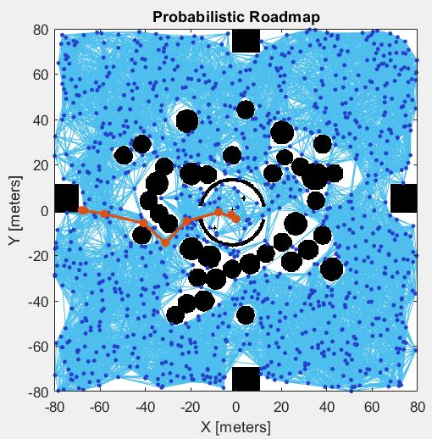
68 | 0 |  |  |  |  | 68 | 0 |  |  |  | 68 | 0 |  |  | 66.263692211 | -3.7516221991
 |  |  |  |  |  |  |  |  |  |  |  |  |  |  | 68 | 0
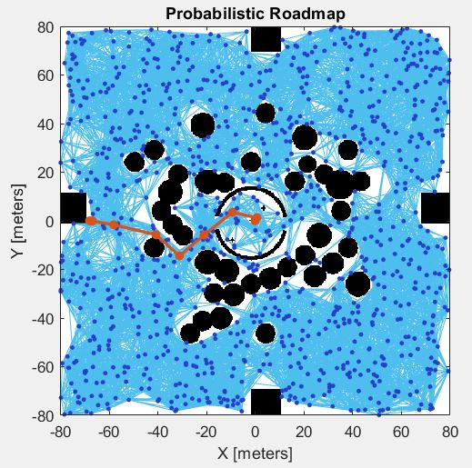

PATHW1 |  |  |  |  |  | PATH W2 |  |  |  |  | PATHW3 |  |  |  | PATHW3
-2 | -2 |  |  |  |  | 0 | 0 |  |  |  | 2 | 2 |  |  | 2 | 2 | PATH REPLACEMENT OF DRONEC(2,2) WEST
0.12322406632 | -3.9007945276 |  |  |  |  | 0.77248748308 | 1.2788168376 |  |  |  | 0.77248748308 | 1.2788168376 |  |  | 1.0799300962 | 3.2523230059 | FOR 1ST ITERATION TO PREVENT COLLISION FROM
-7.6551770967 | -0.93141491078 |  |  |  |  | -9.3567279161 | 3.5315791169 |  |  |  | -9.3567279161 | 3.5315791169 |  |  | -10.744080625 | -1.5348424617 | DRONEA(-2,-2)
-21.85082089 | -4.8817173262 |  |  |  |  | -20.986560399 | -5.8281949487 |  |  |  | -20.986560399 | -5.8281949487 |  |  | -17.876878653 | -3.2617332599
-31.090884422 | -14.447796099 |  |  |  |  | -31.090884422 | -14.447796099 |  |  |  | -31.090884422 | -14.447796099 |  |  | -31.650935347 | -14.228893384
-40.753096141 | -5.7337537917 |  |  |  |  | -40.753096141 | -5.7337537917 |  |  |  | -40.753096141 | -5.7337537917 |  |  | -43.744972183 | -16.68099781
-58.10406616 | -1.6265302334 |  |  |  |  | -58.10406616 | -1.6265302334 |  |  |  | -58.10406616 | -1.6265302334 |  |  | -50.255681262 | -12.613212843
-66.897068844 | -0.080657462822 |  |  |  |  | -66.897068844 | -0.080657462822 |  |  |  | -66.897068844 | -0.080657462822 |  |  | -66.508012098 | -2.6635851658
-68 | 0 |  |  |  |  | -68 | 0 |  |  |  | -68 | 0 |  |  | -68 | 0
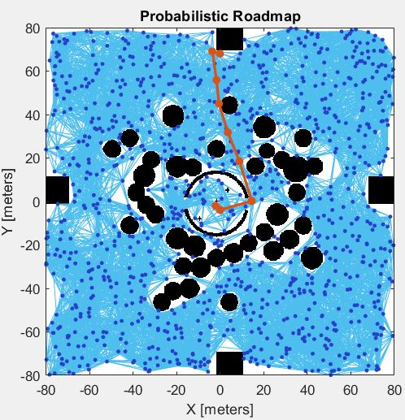
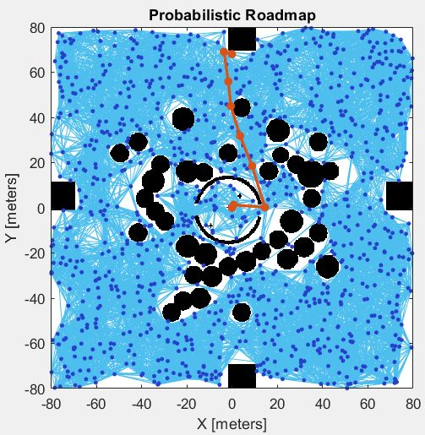
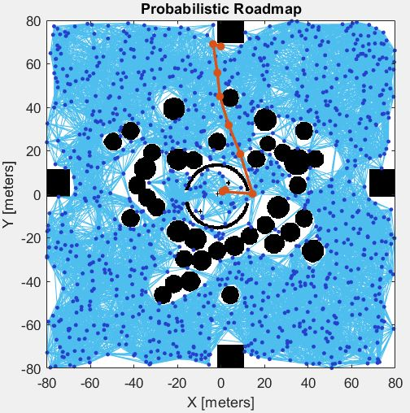

PATHN1 |  |  |  |  | PATH N2 |  |  |  |  |  | PATH N3
-2 | -2 |  |  |  | 0 | 0 |  |  |  |  | 2 | 2
0.12322406632 | -3.9007945276 |  |  |  | 0.77248748308 | 1.2788168376 |  |  |  |  | 0.77248748308 | 1.2788168376
14.574450489 | 0.21844953014 |  |  |  | 14.574450489 | 0.21844953014 |  |  |  |  | 14.574450489 | 0.21844953014
8.9260798171 | 18.498460913 |  |  |  | 8.9260798171 | 18.498460913 |  |  |  |  | 8.9260798171 | 18.498460913
3.6057985697 | 31.763850483 |  |  |  | 3.6057985697 | 31.763850483 |  |  |  |  | 3.6057985697 | 31.763850483
-0.46178796303 | 44.97931337 |  |  |  | -0.46178796303 | 44.97931337 |  |  |  |  | -0.46178796303 | 44.97931337
-1.5891035701 | 55.875910149 |  |  |  | -1.5891035701 | 55.875910149 |  |  |  |  | -1.5891035701 | 55.875910149
-3.5558690177 | 69.074727515 |  |  |  | -3.5558690177 | 69.074727515 |  |  |  |  | -3.5558690177 | 69.074727515
0 | 68 |  |  |  | 0 | 68 |  |  |  |  | 0 | 68

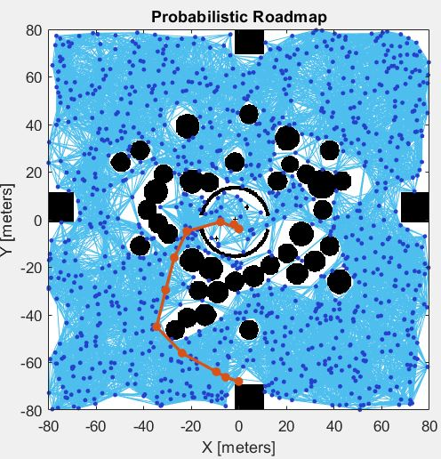
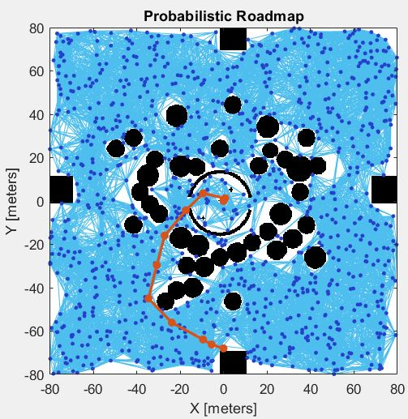
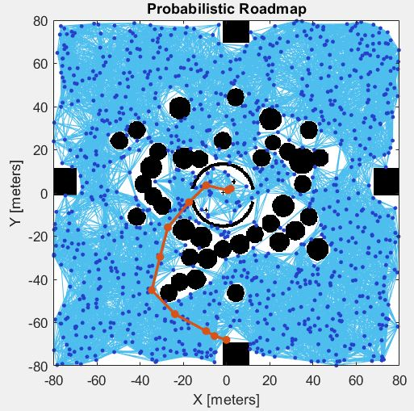

 | PATHS1 |  |  |  |  | PATH S2 |  |  |  |  | PATH S3
 | -2 | -2 |  |  |  | 0 | 0 |  |  |  | 2 | 2
 | 0.12322406632 | -3.9007945276 |  |  |  | 0.77248748308 | 1.2788168376 |  |  |  | 0.77248748308 | 1.2788168376
 | -7.6551770967 | -0.93141491078 |  |  |  | -9.3567279161 | 3.5315791169 |  |  |  | -9.3567279161 | 3.5315791169
 | -21.85082089 | -4.8817173262 |  |  |  | -17.312914613 | -4.3053939624 |  |  |  | -17.312914613 | -4.3053939624
 | -27.091952644 | -15.943488382 |  |  |  | -27.091952644 | -15.943488382 |  |  |  | -27.091952644 | -15.943488382
 | -30.737665371 | -29.587063411 |  |  |  | -30.737665371 | -29.587063411 |  |  |  | -30.737665371 | -29.587063411
 | -34.535928093 | -44.948506683 |  |  |  | -34.535928093 | -44.948506683 |  |  |  | -34.535928093 | -44.948506683
 | -23.830330462 | -56.080674492 |  |  |  | -23.830330462 | -56.080674492 |  |  |  | -23.830330462 | -56.080674492
 | -9.4231477102 | -63.899984758 |  |  |  | -9.4231477102 | -63.899984758 |  |  |  | -9.4231477102 | -63.899984758
 | -5.4661990137 | -66.226171423 |  |  |  | -5.4661990137 | -66.226171423 |  |  |  | -5.4661990137 | -66.226171423
 | 0 | -68 |  |  |  | 0 | -68 |  |  |  | 0 | -68

 |  | WITHOUT INTERSOURCE
 |  |  | 1st Iteration |  | 2nd Iteration |  | 3nd Iteration |  | 4th Iteration
 |  | DRONE | DIRECTION | STEPS | DIRECTION | STEPS | DIRECTION | STEPS | DIRECTION | STEPS | TOTAL
 |  | A | WEST | 9*2 + 4 | EAST | 7*2 + 4 | EAST | 7*2 + 4 | SOUTH | 11*2 + 4 | 84 |  | 0 | -1.4180541974 | -11.877794145 | -23.265593506 | -30.306941964 | -39.733780305 | -45.618522697 | -54.84981457 | -67.98188696 | -68
 |  | B | EAST | 7*2 + 4 | NORTH | 9*2 + 4 | WEST | 9*2 + 4 | EAST | 7*2 + 4 | 80 |  | 68 | 66.756412818 | 56.623920628 | 49.358221545 | 35.470958362 | 23.195282161 | 18.126306107 | 9.1256793584 | -2.6785371769 | 0
 |  | C | WEST | 9*2 + 4 | SOUTH | 11*2 + 4 | NORTH | 9*2 + 4 |  |  | 70 |  | Drone A(-2,-2) South to East |  |  | Drone C north to west
 |  |  |  |  |  |  |  |  |  |  |  |  | 0 | -68 |  | 0 | 68
 |  | WITH INTERSOURCE |  |  |  |  |  |  |  |  |  |  | 1.709537177 | -68.34500954 |  | -1.4180541974 | 66.756412818
 |  |  | 1st Iteration |  | 2nd Iteration |  | 3nd Iteration |  |  |  |  |  | 17.023329424 | -57.34281692 |  | -11.877794145 | 56.623920628
 |  | DRONE | DIRECTION | STEPS | DIRECTION | STEPS | DIRECTION | STEPS | TOTAL |  |  |  | 25.893588394 | -51.242033866 |  | -23.265593506 | 49.358221545
 |  | A | EAST | 7*2 + 4 | WEST | 9*2 + 4 | SOUTH+EAST | 11 + 9 + 7 + 6 | 73 |  |  |  | 38.67346506 | -39.486778445 |  | -30.306941964 | 35.470958362
 |  | B | WEST | 9*2 + 4 | SOUTH | 11*2 + 4 | EAST | 7*2 + 4 | 66 |  |  |  | 46.661892155 | -29.953254732 |  | -39.733780305 | 23.195282161
 |  | C | EAST | 7*2 + 4 | NORTH | 9*2 + 4 | NORTH+WEST | 9 + 10 + 9 + 6 | 74 |  |  |  | 57.760326966 | -16.002387011 |  | -45.618522697 | 18.126306107
 |  |  |  |  |  |  |  |  |  |  |  |  | 66.320601839 | -1.6857470485 |  | -54.84981457 | 9.1256793584
 |  |  |  |  |  |  |  |  |  |  |  |  | 68 | 0 |  | -67.98188696 | -2.6785371769
 |  |  |  |  |  |  |  |  |  |  |  |  |  |  |  | -68 | 0

